FINALS
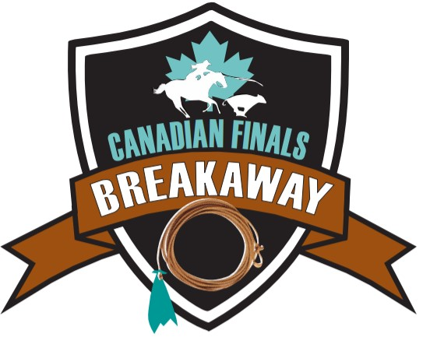

CFB RESULTS & PAYOUT |  | $39,400
 |  |  |  |  |  |  |  |  |  |  |  |  |  | 15% | #REF! | 19% | #REF! | 20% | #REF!
Results: |  |  | $3,800 | Rounded |  |  |  |  |  |  |  |  |  | 13% | #REF! | 14% | #REF! | 15% | #REF!
Round 1 | Name | Time | Payout | % | Initial |  |  |  |  |  |  |  |  | 10% | #REF! | 9% | #REF! | 10% | #REF!
1D - 1 | Jenna Dallyn | 2.54 | $760 | 40% |  |  |  |  |  |  |  |  |  | 8% | #REF! | 5% | #REF!
2 | Bailey Hines | 2.93 | $570 | 30% |  |  |  |  |  |  |  |  |  | 6% | #REF! | 47% | #REF! | 45% | #REF!
3 | Kendal Pierson | 3.04 | $380 | 20% |  |  |  |  |  |  |  |  |  | 4% | #REF!
4 | Tynell McInenly | 3.1 | $190 | 10% |  |  |  |  |  |  |  |  |  | 3% | #REF!
 | 2 second split |  |  |  |  |  |  |  |  |  |  |  |  | 2% | #REF!
2D - 1 | Shaya Biever | 4.58 | $760 | 40% |  |  |  |  |  |  |  |  |  | 61% | #REF! | 3
2 | Harleigh Hendersen | 4.63 | $570 | 30% |  |  |  |  |  |  |  |  |  |  |  | 50%
3 | Lilly Artemenko | 5.08 | $380 | 20% |  |  |  |  |  |  |  |  |  | FT | 120 | 30%
4 | Rika Antoine | 5.12 | $190 | 10% |  |  |  |  |  |  |  |  |  | FT | 120 | 20%
 |  |  |  |  |  |  |  |  |  |  |  |  |  | FT | 120
 |  |  | $3,800 | Rounded |  |  |  |  |  | 5 places |  |  | 4 places
Round 2 | Name | Time | Payout | % | Initial |  |  |  | 30% | #REF! |  | 40% | #REF!
1D - 1 | Bailey Hines | 2.8 | $760 | 40% |  |  |  |  | 25% | #REF! |  | 30% | #REF!
2 | Cassidy Weber | 2.87 | $570 | 30% |  |  |  |  | 20% | #REF! |  | 20% | #REF!
3 | Taylor Flewelling | 2.96 | $380 | 20% |  |  |  |  | 15% | #REF! |  | 10% | #REF!
4 | Kendal Pierson | 3.05 | $380 | 10% |  |  |  |  | 10% | #REF!

2D - 1 | Keeley Durrell | 5.21 | $760 | 40% |  |  |  |  | 100% | #REF! |  | 100% | #REF!
2 | Acacia Milne | 5.94 | $570 | 30%
3 | Fallyn Mills | 5.98 | $380 | 20% |  |  |  |  |  | 6 places |  |  | 8 places
4 | Mikenna Schauer | 12.12 | $380 | 10% |  |  |  |  | 29% | #REF! |  | 23% | #REF!
 |  |  |  |  |  |  |  |  | 24% | #REF! |  | 20% | #REF!
 |  |  | $3,000 | Rounded |  |  |  |  | 19% | #REF! |  | 17% | #REF!
Average | Name | Time on 2 | Payout | % | Initial |  |  |  | 14% | #REF! |  | 14% | #REF!
1 | Aubrey Ross | 6.67 | $870 | 29% |  |  |  |  | 9% | #REF! |  | 11% | #REF!
2 | Taylor Bunnage | 6.85 | $720 | 24% |  |  |  |  | 5% | #REF! |  | 8% | #REF!
3 | Keaton Collett | 6.96 | $570 | 19% |  |  |  |  | 100% | #REF! |  | 5% | #REF!
4 | Fallyn Mills | 6.97 | $420 | 14% |  |  |  |  |  |  |  | 2% | #REF!
5 | Kendal Pierson | 7.15 | $270 | 9% |  |  |  |  |  |  |  | 100% | #REF!
6 | Bailey Hines | 7.22 | $150 | 5%

 |  |  |  |  |  |  |  |  |  |  |  |  | 800
TOP 20 | FAST TIMES |  |  |  |  |  |  |  |  |  |  | 40% | 320
1 | Rylie Bondaroff | 2.60 | $400 |  |  | Top Money Earners |  |  |  |  |  | 30% | 240
2 | Cassidy Webber | 2.83 | $200 |  |  | Bailey | Kendal | Fallyn | Shaya | Aubrey |  | 20% | 160
 |  |  |  |  |  | 12000 | 6000 | 5000 | 4000 | 870 |  | 10% | 80
 |  |  | $600 |  |  | 150 | 200 | 200 | 760 | 400
 |  |  |  |  |  | 570 | 400 | 420
TOP 12 | FAST TIMES |  |  |  |  | 760 | 270 | 380
1 | Aubrey Ross | 2.77 | $400 |  |  |  | 380
2 | Kendal Pierson | 2.90 | $200 |  |  |  | 380

 |  |  | $600 |  |  | $13,480 | $7,630 | $6,000 | $4,760 | $1,270 | $33,140
TOP 8 | FAST TIMES
1 | Kendal Pierson | 3.93 | $400
2 | Fallyn Mills | 3.99 | $200

 |  |  | $600
TOP 4
Champion | Bailey Hines | 2.87 | $12,000
Reserve | Kendal Pierson | 12.94 | $6,000
3rd | Fallyn Mills | NT | $5,000
4th | Shaya Biever | NT | $4,000
 |  |  | $27,000

 | TOTAL PAYOUT |  | $39,400.00

